1. Title Page
Online Grocery Basket Analysis

Project Name: Online Grocery Basket Analysis
Date: January 2024
Analyst Name: Ash Turner

Contents:
Population Flow
Consistency checks
Wrangling steps
Column derivations
Visualizations
Recommendations

2. Population Flow
Title page

Population flow

Exclusion flag
Condition: max_order < 5
Obervations to be removed: 293
Final total count of order_products_all: 32,434,212

Orders_products_combined
Orders_products_merged
Orders_products_all

Total: 32,434,489
Total: 32,434,212
Total: 32,434,212

1.) The grey boxes in the first row of the population flow represent the original data sets as they were when you downloaded them. In the Total fields you need to add the count of the rows when you imported the data set into Jupyter.
2.) The second row of boxes (coloured) represents the data sets after you manipulated them, e.g., removed missing values and duplicates. In the Total fields you need to add the count of the rows after conducting these operations. This offers a visual oveview of how the data flows throughout the data consistency checks.
3.) The third row, where also the arrows are coloured, represents the merges you performed between the datasets. In the Total fields you need to add the count of the rows in the merged datasets, so that you end up with the final dataset (in the red box). Keep in mind the final dataset should be without exclusions (based on the exclusion flag).

3. Consistency checks
 |  |  |  | Title page
Consistency checks

Dataset | Missing values | Missing values treatment | Duplicates
orders | 206,209 / days_since_prior_order | added a "customer first order" flag column - missing values reflect that the order is the first the customer placed therefore no prior orders | none identified
products | 16 Product_name | removed from df | duplicates removed
orders_products_prior
customers | 11,259 First Names | no action needed | none identified

4. Wrangling steps
 |  |  |  | Title page
Wrangling steps

Columns dropped | Columns renamed | Columns' type changed | Comment/Reason
eval_set |  |  | orders df. Not relevant.
 | order_dow >> orders_day_of_week |  | orders df. Changed for readability
order_number >> user_order_number |  | orders df. Changed for readability
surname >> Last Name |  | customers df. Changed for readability
STATE >> State |  | customers df. For consistent capitalization
n_dependants >> Number_of_Dependants |  | customers df. Changed for readability
fam_status >> Familial_Status |  | customers df. Changed for readability
 | user_id | customers df. Changed to string since not a calculable field.
 | department_id | department df. Changed to string since not a calculable field.

5. Column derivations
 |  |  |  |  |  | Title page
In this tab you should add tables below that the frequences of flags/label variables that you produced after deriving them. NB: don't do this for continuous variables, only for flags.
Column derivations and aggregations

Dataset | New column | Column/s it was derived from | Conditions | Flag Frequencies | Notebook
Ords_prods_merge | price_range_loc | prices | > 15 >> High-range product 6 - 15 >> mid-range product <=5 >> Low-range product | price_range_loc Mid-range product 21890146 Low-range product 10126384 High-range product 417682 | 4.7 Deriving New Variables
Ords_prods_merge | busiest day | orders_day_of_week | Saturday (value=0) >> busiest day Wednesday (value=4) >> least busy day any other day/value >> regularly busy | Busiest day Regularly busy 22437387 Busiest day 6209632 Least busy 3787193 | 4.7 Deriving New Variables
Ords_prods_merge | busiest days | orders_day_of_week | Saturday or Sunday (value=0 or 1) >> Busiest days Wednesday or Tuesday (value=4 or 3) >> Slowest days Monday, Thursday & Friday (value=6, 2 & 5) >> Regularly busy Days | busiest_days Regularly busy Days 12927461 Busiest Days 11875462 Slowest Days 7631289 | 4.7 Deriving New Variables -Task
Ords_prods_merge | busiest period of day | order_hour_of_day | Military Hours: Most orders>> 1000-1600 Average orders>> 0700-0800 & 1700-2200 Fewest orders>> 2300-0600 | busiest_period_of_day Most Orders 21137262 Average Orders 10006752 Fewest Orders 1290198 | 4.7 Deriving New Variables -Task
Ords_prods_merge | max order | order_number | found highest number of times each customer has made a purchase |  | 4.8 Grouping Data & Aggregating
Ords_prods_merge | loyalty flag | max_order | Max Order > 40 >> Loyal customer Max Order <= 40 or > 10>> Regular customer Max Order <= 10 >> New customer | loyalty_flag Regular customer 15891077 Loyal customer 10293737 New customer 6249398 | 4.8 Grouping Data & Aggregating
Ords_prods_merge | avgerage spent | prices | found the mean of the product prices purchased by customer |  | 4.8 Grouping Data & Aggregating -Task
Ords_prods_merge | spending flag | average spent | Avg product spent(price) >= 10 >> High spender Avg product spent(price) < 10 >> Low spender | spending flag Low spender 31798751 High spender 635461 | 4.8 Grouping Data & Aggregating -Task
Ords_prods_merge | order frequency flag | days_since_prior_order | Days Since Purchase > 20 >> Non-frequent customer Days Since Purchase <=20 or > 10 >> Regular customer Days Since Purchase <= 10 >> Frequent customer | order frequency flag Frequent customer 21577409 Regular customer 7217134 Non-frequent customer 3639669 | 4.8 Grouping Data & Aggregating -Task
Ords_prods_all | Region | State | Wikipedia guidance to determine which region each state would fall under | Region South 10801610 West 8300445 Midwest 7603810 Northeast 5728347 | 4.10 Final Project
Ords_prods_merge | exclusions flag | max order | Max Order >= 5 >> Include Max Order < 5 >> Exclude | exclusion_flag Include 9551563 Exclude 448437 | 4.10 Final Project
Ords_prods_all | Age_Group | Age_Group, Income_Level | Age >= 65 >> Elder Age <65 and >= 25 >> Adult Age <25and >= 18 >> Young Adult Age < 18>> Child | Age_Group Adult 20275297 Elder 8582637 Young Adult 3576278 | 4.10 Final Project
Ords_prods_all | Income_Level | income | Income >= 142,818 = Above Average Income Income <142,818 and >= 56,534 = Avg Income Income < 56,534 = Below Avg Income | Income_Level Avg Income 21863416 Above Avg Income 5390167 Below Avg Income 5180629 | 4.10 Final Project
Ords_prods_all | Household_Type | Number_Of_Dependants | Number of Dependants > 0 >> Has Children Number of Dependants <= 0 >> No Children | Household_Type Has Children 24329015 No Children 8105197 | 4.10 Final Project
Ords_prods_all | Customer_Profile_Lifestyle_Income_Household | Household_Type | Reminder: Lifestyle pulls from Familial Status where Married is Married. We assume all other statuses (single, divorced/widowed, living with parents and siblings) are considered Single. | Customer_Profile_Lifestyle_Income_Household Married Avg Income Household w/Kids 15283758 Single Avg Income Household w/o Kids 5443080 Married Above Avg Income Household w/Kids 4006036 Married Below Avg Income Household w/Kids 3487119 Single Above Avg Income Household w/o Kids 1368017 Single Below Avg Income Household w/o Kids 1294100 Single Avg Income Household w/Kids 1136578 Single Below Avg Income Household w/Kids 399410 Single Above Avg Income Household w/Kids 16114 | 4.10 Final Project
Ords_prods_all | Customer_Profile_Age_Income | Age_Group | Used designations from Age_Group and Income_Level to come up with combos. | Customer_Profile_Age_Income Adult w/Avg Income 13736669 Elder Person w/Avg Income 5510576 Adult w/Below Avg Income 3361786 Adult w/Above Avg Income 3176842 Young Adult w/Avg Income 2616171 Elder Person w/Above Avg Income 2177950 Young Adult w/Below Avg Income 924732 Elder Person w/Below Avg Income 894111 Young Adult w/Above Avg Income 35375 | 4.10 Final Project

6. Visualizations
 | Title page

Visualisations

In this tab you should include all the visualtions from Exercises 4.9 and 4.10, alongside the questions from the project brief that they answer. Include any commentary on the relationship between different variables.
 |  | Day of the Week Key
 |  | 0 = Saturday | 1 = Sunday | 2 = Monday | 3 = Tuesday | 4 = Wednesday | 5 = Thursday | 6 = Friday

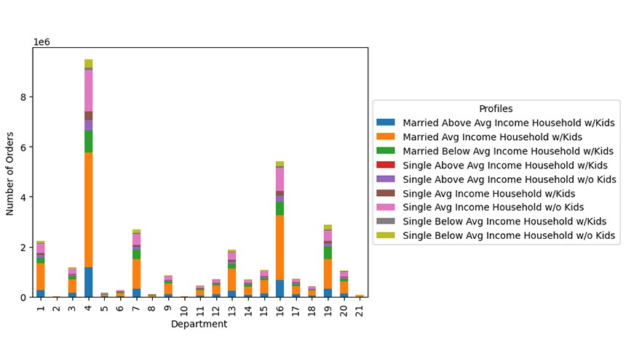
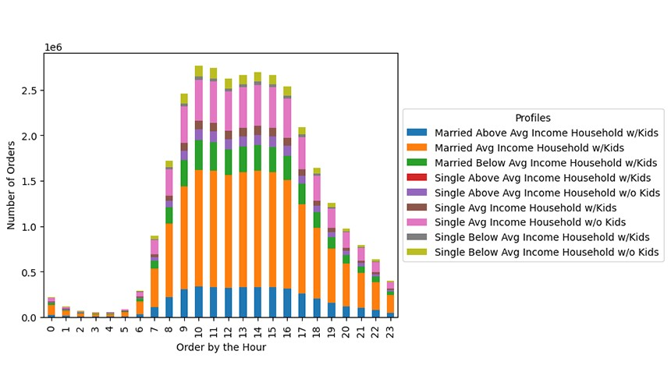
Figure 1. Order Distribution by Department & Profile |  | Figure 2. Order Distribution by Order Hour & Profile | Legend
 |  |  |  | Department
 |  |  | 1 | frozen
 |  |  | 2 | other
 |  |  | 3 | bakery
 |  |  | 4 | produce
 |  |  | 5 | alcohol
 |  |  | 6 | international
 |  |  | 7 | beverages
 |  |  | 8 | pets
 |  |  | 9 | dry goods pasta
 |  |  | 10 | bulk
 |  |  | 11 | personal care
 |  |  | 12 | meat seafood
 |  |  | 13 | pantry
 |  |  | 14 | breakfast
 |  |  | 15 | canned goods
 |  |  | 16 | dairy eggs
 |  |  | 17 | household
 |  |  | 18 | babies
 |  |  | 19 | snacks
 |  |  | 20 | deli
 |  |  | 21 | missing

Question/Ties to Project Brief: What differences can you find in ordering habits of different customer profiles? Answer: The majority of orders are from the produce, dairy/eggs, snacks and beverage departments. |  | Question: What are the differences in Profiles according to the busiest hours? Answer: Married Avg Income Household w/Kids make the most orders during business hours. Overall, most profiles will order groceries between 8am and 6pm.

Figure 3. Order Distribution by Region & Profile |  | Figure 4. Customer Profile Distribution
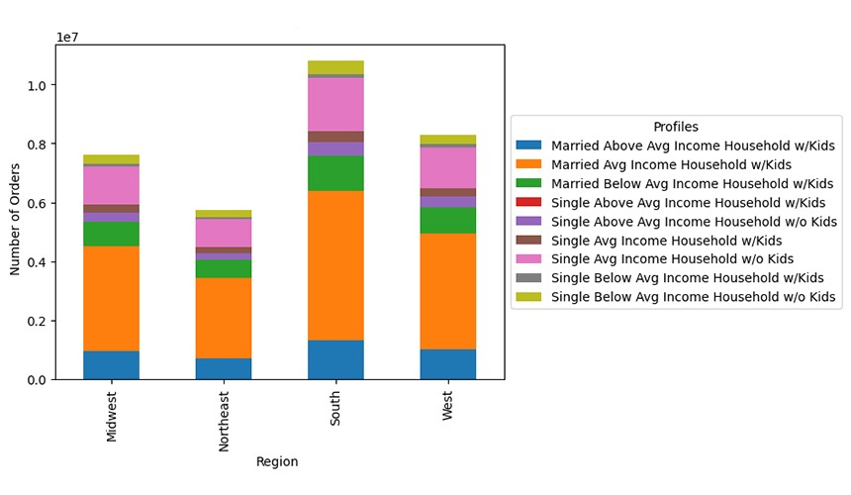
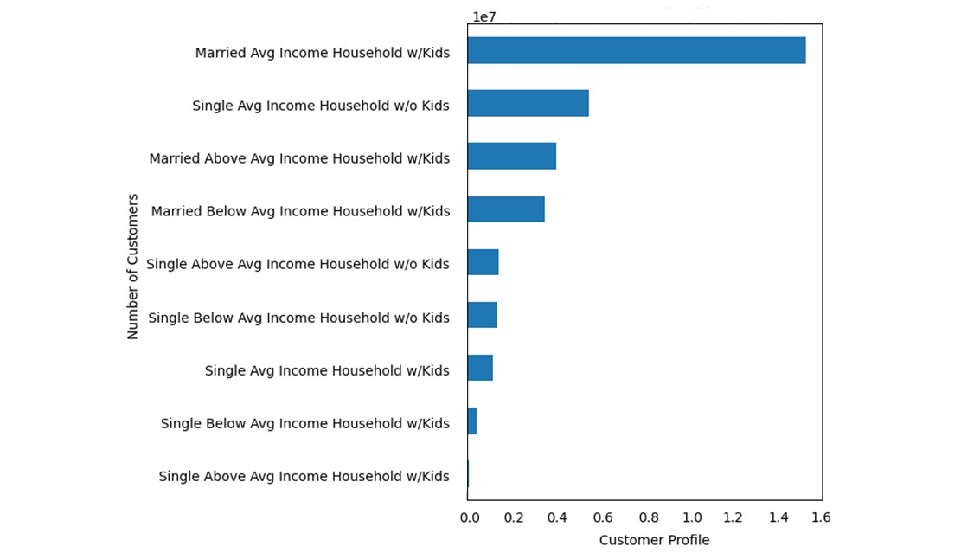

Question/Ties to Project Brief: Are there differences in ordering habits based on a customer’s region? Answer: Yes. Majority of orders are coming from our customers in the South. The most common ordering habit comes from the Married Avg Income Household w/Kids |  | Question: What type of customer profile makes up our customer base? Answer: When evaluating our customer base by lifestyle/income/household type, the majority of customers are Married Avg Income Household w/Kids. Ties to Project Brief: The marketing and sales teams are particularly interested in the different types of customers in their system and how their ordering behaviors differ.

Figure 5. Order Distribution by Department & Profile |  | Figure 6. Order Distribution by Region & Profile | Figure 7. Customer Profile Distribution
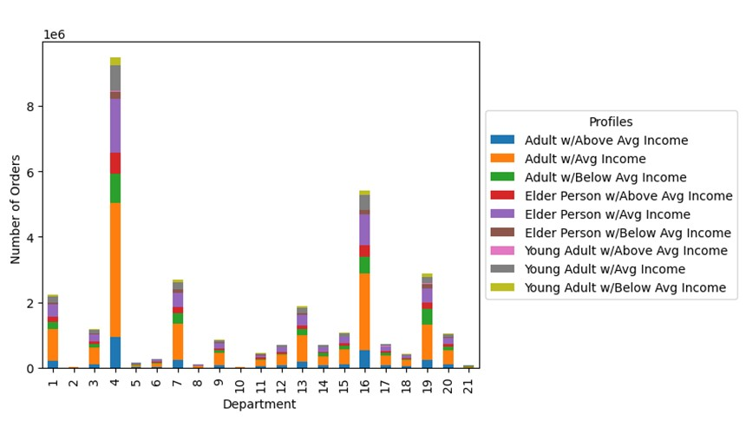
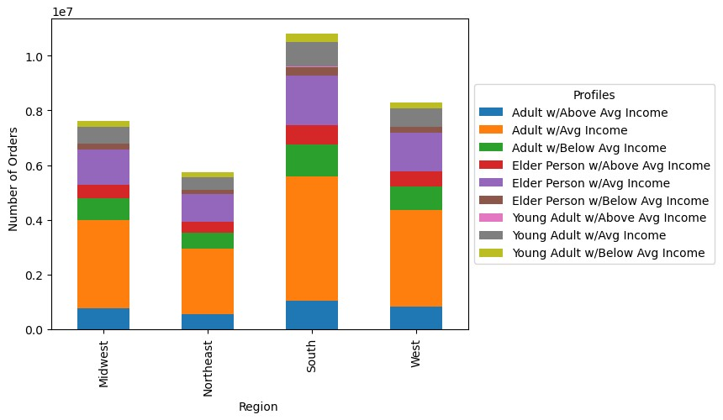
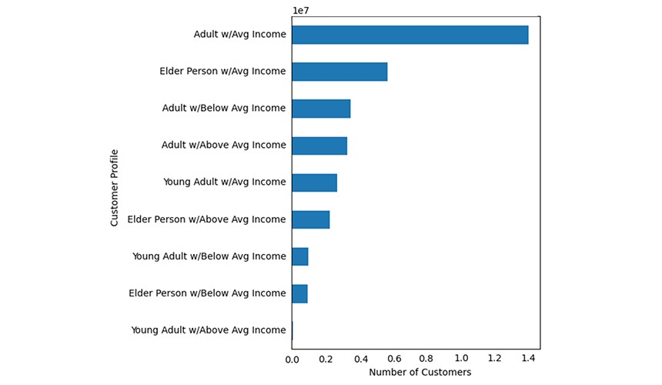

"Question/Ties to Project Brief: What differences can you find in ordering habits of different customer profiles? Answer: All profiles trend towards the majority of orders being from the produce, dairy/eggs, snacks and beverage departments. Adults w/Avg Income make up the majority of orders for each department, especially for the top 4 departments. |  | Question/Ties to Project Brief: Are there differences in ordering habits based on a customer’s region? Answer: Yes. The majority of orders come from customers in the South. This trend seems to follow across the profiles as well. | Question: What type of customer profile makes up our customer base? Answer: The majority of customers are adults with average income. Ties to Project Brief: The marketing and sales teams are interested in the different types of customers in their system and want to know if their ordering behaviors differ.

Figure 8. Frequency of Product Prices |  | Figure 9. Orders made by the Week | Figure 10. Histogram: Income Level by Age

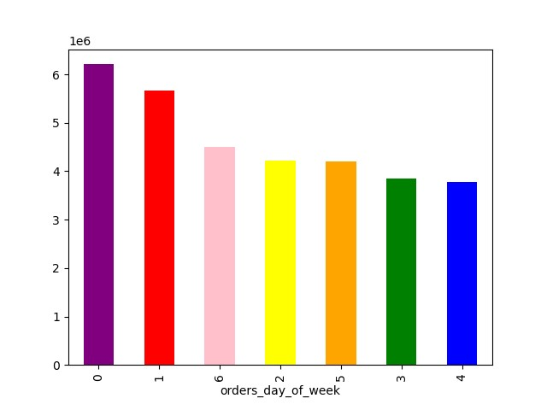
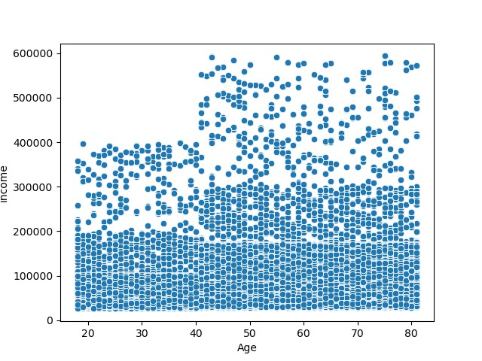

Question: What is the price of the items that customers are purchasing? Answer: Most of the items purchased are in the lower end of the scale. Not many high end items are purchased very often. |  | Question: How many orders are made according to the day of the week? Answer: Day 0 = Saturday, and makes the most orders in the week. Day 4 = Wednesday and day 3 = Tuesday are the days witht the lowest order count. Note: Y-axis represent the number of orders in the millions. I.e 1 million up to 6 million. | Question: What is the relationship between the age of the customer and their income? Answer: There is no correlation between age and income, but there is a distinct pattern of random customers earning a higher income beyond the age 40.

Figure 11. Number of Dependants vs Customer Age |  | Figure 12. Product price vs Orders made in the week | Figure 13. Prices vs Orders made in the day
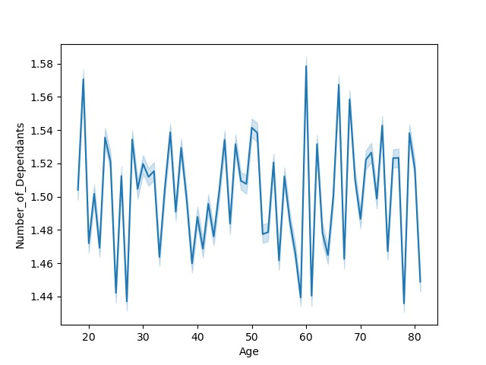
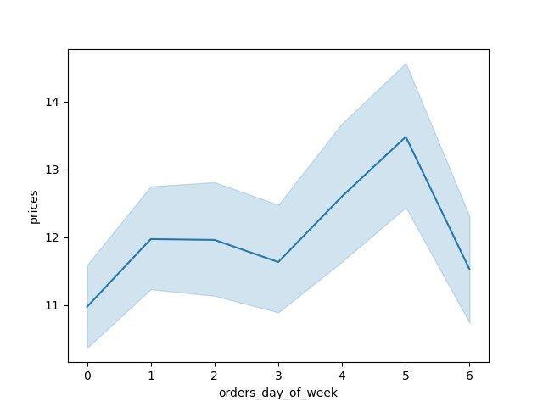
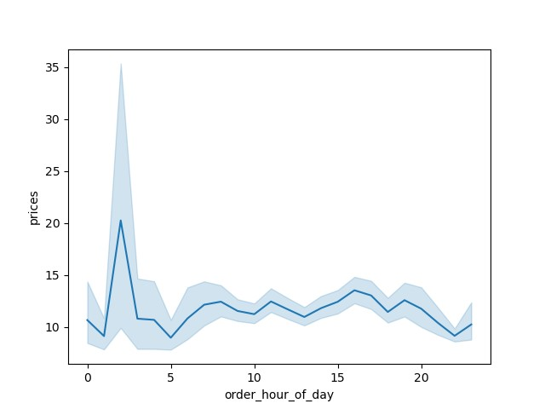

Note: Line chart created using a random sample of data. Question/Ties to Project Brief: Is there a connection between age and family status in terms of ordering habits? Answer: No, there is no relationship between the customer's age and the number of dependants. |  | Note: Line chart created using a random sampling of data. Quesiton: Is there a relationship between the price of products purchased and the day of the week? Answer: It appears that higher priced items are purchased on Thursdays. The lower priced items don't drastically change throughout the week. | "NOTE: Line chart created using a random sampling of data. Q: Is there a relationship between the price of products purchased and time of day? A: It appears that higher price items tend to be purchased earlier in the day and afternoon/end of day. Lesser expensive items tend to be purchased in the late morning. Ties to Project Brief: The sales team wants to know whether there are particular times of the day when people spend the most money, as this might inform the type of products they advertise at these times.

7. Recommendations
 |  |  |  | Title page

Recommendations

In this tab you should include any recommendations you would made to Instcart in terms of their marketing strategy based on the questions posed in the brief. Every key question has been covered in the Tasks of the Exercises - here you need to add an item - a visualisation or table/crosstable that is showing the answer in the data, acompanied by a comment from you. Please, list the questions below and add the answer underneath.

Question | Answer | Reference | Recommendation
What differences can you find in ordering habits of different customer profiles? | The majority of orders are from the produce, dairy/eggs, snacks and beverage departments. | Figure 1.
What are the differences in Profiles according to the busiest hours? | Married Avg Income Household w/Kids make the most orders during business hours. Overall, most profiles will order groceries between 8am and 6pm. | Figure 2.
What differences can you find in ordering habits of different customer profiles? | All profiles trend towards the majority of orders being from the produce, dairy/eggs, snacks and beverage departments. Adults w/Avg Income make up the majority of orders for each department, especially for the top 4 departments. | Figure 5. | Create marketing to target groups based on the purchased by department. For example: target Adults w/Avg Income with marketing material focusing on produce, dairy/eggs, snacks and beverages.
What is the relationship between the age of the customer and their income? | There is no correlation between age and income, but there is a distinct pattern of random customers earning a higher income beyond the age 40. Majority of the 20-40 age group tends to have an Income around 200,000. | Figure 10. | To increase on purchases, focus on marketing to Ages >40 due to the increase of their Income.
Is there a relationship between the price of products purchased and time of day? | It appears that higher price items tend to be purchased earlier in the day and afternoon/end of day. Lesser expensive items tend to be purchased in the late morning. | Figure 13. | Create marketing to focus on the night owls by increasing the average price of the item being marketed at the time of day.

